#1
Makeover #1
STORY: The new data show that 4.32 million adults (ages 18 or older) were newlywed in 2012, a 3% percent increase over the 4.21 million adults newly married in 2011.
http://www.pewresearch.org/fact-tank/2014/02/06/new-census-data-show-more-americans-are-tying-the-knot-but-mostly-its-the-college-educated/

 | ORIGINAL | COLE's MAKEOVER | DATA TO GRAPH
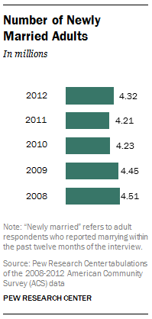
 |  | Number of Newly Married Adults |  | Number of newly married adults (M)
 |  | In Millions | 2008 | 4.51
 |  |  | 2009 | 4.45
 |  |  | 2010 | 4.23
 |  |  | 2011 | 4.21
 |  |  | 2012 | 4.32

 |  | "Newly married" refers to adult respondents who reported marrying within the past twelve months of the interview. Source: Pew Research Center tabulations of the 2008-2012 American Community Servey (ACS) data. PEW RESEARCH CENTER

#2
Makeover #2
STORY: almost the entire increase in new marriages (87%) from 2011 to 2012 is accounted for by the college-educated

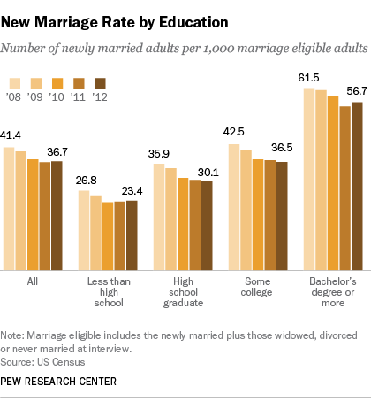
 | ORIGINAL | COLE's MAKEOVER | DATA TO GRAPH
 |  |  | Note: non-labeled values visually estimated
 |  | New Marriage Rate by Education
 |  | Number of newly married adults per 1,000 marriage eligible adults |  | 2008 | 2009 | 2010 | 2011 | 2012
 |  |  | All | 41 | 40 | 38 | 37 | 37
 |  |  | Less than high school | 27 | 25 | 23 | 23 | 23
Bachelor's degree or more
 |  |  | High school graduate | 36 | 34 | 31 | 31 | 30
 |  |  | Some college | 43 | 41 | 37 | 37 | 37
 |  |  | Bachelor's degree or more | 62 | 61 | 59 | 55 | 57

Some college

High school grad

Less than high school

 |  | Note: Marriage eligible includes the newly married plus those widowed, divorced or never married at interview. Source: US Census PEW RESEARCH CENTER

#3
Makeover #3
STORY: The prime age for getting hitched is 25 to 34.

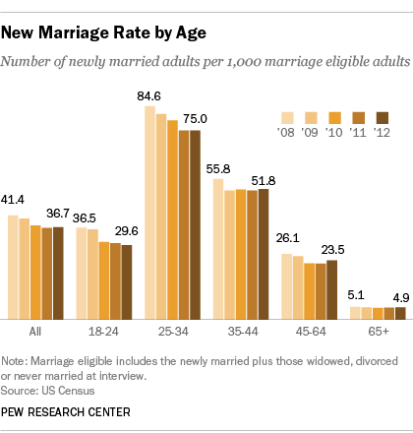
 | ORIGINAL | COLE's MAKEOVER | DATA TO GRAPH
 |  |  | Note: non-labeled values visually estimated
 |  | New Marriage Rate by Age
 |  | Number of newly married adults per 1,000 marriage eligible adults |  | 2008 | 2009 | 2010 | 2011 | 2012
 |  |  | All | 41 | 41 | 37 | 37 | 37
 |  |  | 18-24 | 37 | 36 | 30 | 30 | 30
25-34 year olds
 |  |  | 25-34 | 85 | 82 | 79 | 75 | 75
 |  |  | 35-44 | 56 | 51 | 52 | 52 | 52
 |  |  | 45-64 | 26 | 26 | 23 | 23 | 24
 |  |  | 65+ | 5 | 5 | 5 | 5 | 5

35-44 year olds

18-24 year olds

45-64 year olds

65+ year olds

 |  | Note: Marriage eligible includes the newly married plus those widowed, divorced or never married at interview. Source: US Census PEW RESEARCH CENTER

#4
Makeover #4
STORY: It is one thing to get married, it is another thing to stay married. In spite of the recent uptick in newlyweds since 2011, it is still the case that fewer adults were currently married in 2012 (50.5%) than in 2011 (50.8%). The share of adults presently married peaked around 72% in 1960

 | ORIGINAL | COLE's MAKEOVER | DATA TO GRAPH
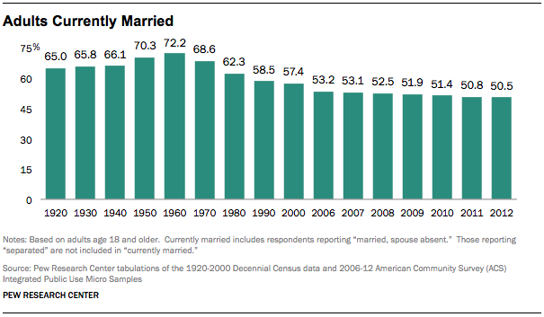
1920 | 65.0%
1921
1922
1923
1924
1925
1926
1927
1928
1929
1930 | 65.8%
1931
1932
1933
1934
1935
1936
1937
1938
1939
1940 | 66.1%
1941
1942
1943
1944
1945
1946
1947
1948
1949
1950 | 70.3%
1951
1952
1953
1954
1955
1956
1957
1958
1959
1960 | 72.2%
1961
1962
1963
1964
1965
1966
1967
1968
1969
...
Peak (1960, 72.2%)
 |  | Adults Currently Married
 |  |  | 1920 | 65.0%
 |  |  | 1921
 |  |  | 1922
 |  |  | 1923
 |  |  | 1924 |  | 1920 | 65.0%
in 2012
 |  |  | 1925 |  | 1930 | 65.8%
 |  |  | 1926 |  | 1940 | 66.1%
 |  |  | 1927 |  | 1950 | 70.3%
 |  |  | 1928 |  | 1960 | 72.2%
 |  |  | 1929 |  | 1970 | 68.6%
 |  |  | 1930 | 65.8% | 1980 | 62.3%
 |  |  | 1931 |  | 1990 | 58.5%
 |  |  | 1932 |  | 2000 | 57.4%
 |  | Notes: based on adults age 18 and older. Currently married includes respondents reporting "married, spouse absent." Those reporting "separated" are not included in "currently married." Source: Pew Research Center tabulations of the 1920-2000 Decennial Census data and 2006-12 American Community Survey (ACS). PEW RESEARCH CENTER | 1933 |  | 2010 | 51.4%
 |  |  | 1934
 |  |  | 1935
 |  |  | 1936
 |  |  | 1937
 |  |  | 1938
 |  |  | 1939
 |  |  | 1940 | 66.1%
 |  |  | 1941
 |  |  | 1942
 |  |  | 1943
 |  |  | 1944
 |  |  | 1945
 |  |  | 1946
 |  |  | 1947
 |  |  | 1948
 |  |  | 1949
 |  |  | 1950 | 70.3%
 |  |  | 1951
 |  |  | 1952
 |  |  | 1953
 |  |  | 1954
 |  |  | 1955
 |  |  | 1956
 |  |  | 1957
 |  |  | 1958
 |  |  | 1959
 |  |  | 1960 | 72.2%
 |  |  | 1961
 |  |  | 1962
 |  |  | 1963
 |  |  | 1964
 |  |  | 1965
 |  |  | 1966
 |  |  | 1967
 |  |  | 1968
 |  |  | 1969
 |  |  | 1970 | 68.6%
 |  |  | 1971
 |  |  | 1972
 |  |  | 1973
 |  |  | 1974
 |  |  | 1975
 |  |  | 1976
 |  |  | 1977
 |  |  | 1978
 |  |  | 1979
 |  |  | 1980 | 62.3%
 |  |  | 1981
 |  |  | 1982
 |  |  | 1983
 |  |  | 1984
 |  |  | 1985
 |  |  | 1986
 |  |  | 1987
 |  |  | 1988
 |  |  | 1989
 |  |  | 1990 | 58.5%
 |  |  | 1991
 |  |  | 1992
 |  |  | 1993
 |  |  | 1994
 |  |  | 1995
 |  |  | 1996
 |  |  | 1997
 |  |  | 1998
 |  |  | 1999
 |  |  | 2000 | 57.4%
 |  |  | 2001
 |  |  | 2002
 |  |  | 2003
 |  |  | 2004
 |  |  | 2005
 |  |  | 2006 | 53.2%
 |  |  | 2007 | 53.1%
 |  |  | 2008 | 52.5%
 |  |  | 2009 | 51.9%
 |  |  | 2010 | 51.4%
 |  |  | 2011 | 50.8%
 |  |  | 2012 | 50.5%

